Maximum Width of Overhang
 |  |  | Overhanging Loads - Maximum Width of Overhang

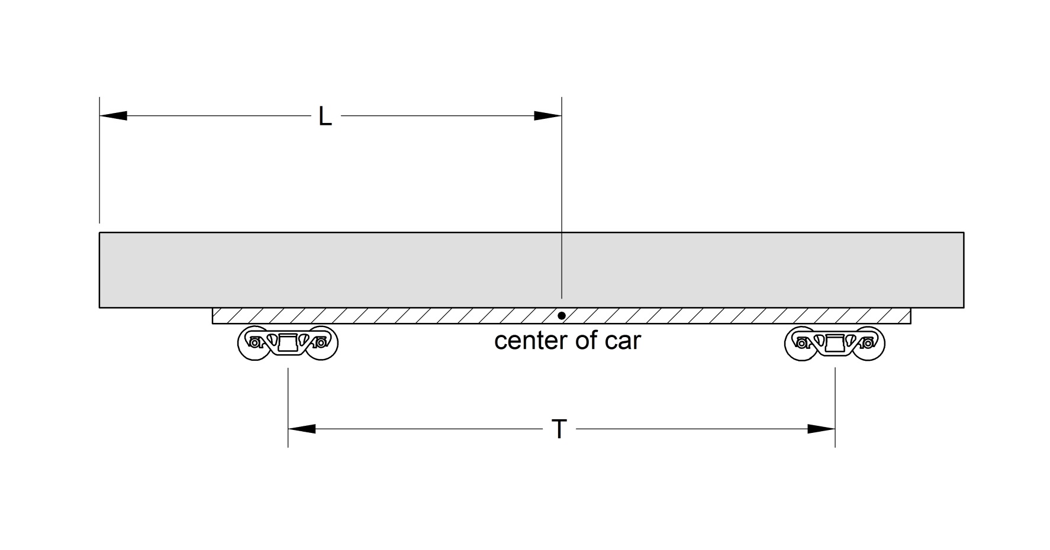
An overhanging load may swing out further than the car body during curving. It is therefore necessary to reduce the width of the overhang to take this into account.
Note: Input measurements must be in feet for this calculation (eg 54 feet 6 inches is entered as 54.5).
Enter values in blue boxes.

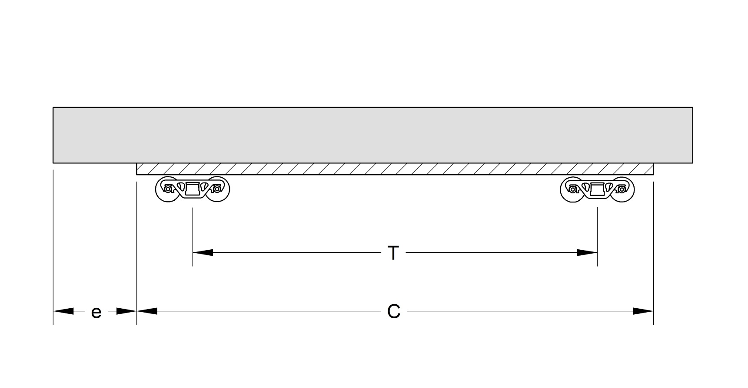

 | T | L | Maximum Width of Overhang |  | C | e | T | L | Maximum Width of Overhang
 | Truck Centers | Center of Car to End of Load |  |  | Car Length Over End Sills | Overhang Beyond End Sill | Truck Centers | Center of Car to End of Load
 | 66 | 54.5 | 5 ft 2 in |  | 89 | 10 | 66 | 54.5 | 5 ft 2 in

 | If the load is overhanging both ends, use the larger value of "L". |  |  |  | If the load is overhanging both ends, use the larger value of "e".

Example - when you know the distance from center of car to end of load |  |  |  | Example - when you do not know the distance from center of car to end of load

Car has trucks centers of 66 feet (measure or use Umler value). |  |  |  | Car is 89 feet long over end sills and truck center distance is 66 feet (measure or use Umler values).
Load is positioned so the distance from the center of the car to end of load is 54.5 ft. |  |  |  | Lading is positioned to overhang one end of the car by 10 feet past the end sill.
T = 66 |  |  |  | C = 89
L = 54.5 |  |  |  | e = 10
Calculated maximum width of the overhang is 5 ft. 2 in. |  |  |  | T = 66
 |  |  |  | Calculated maximum width of the overhang is 5 ft. 2 in.

